AllData - SGD
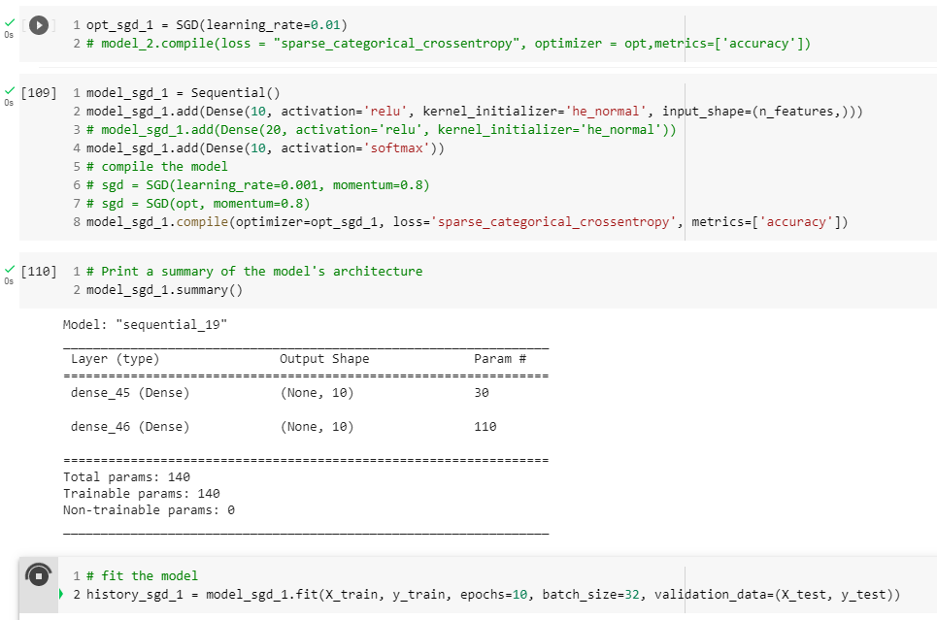
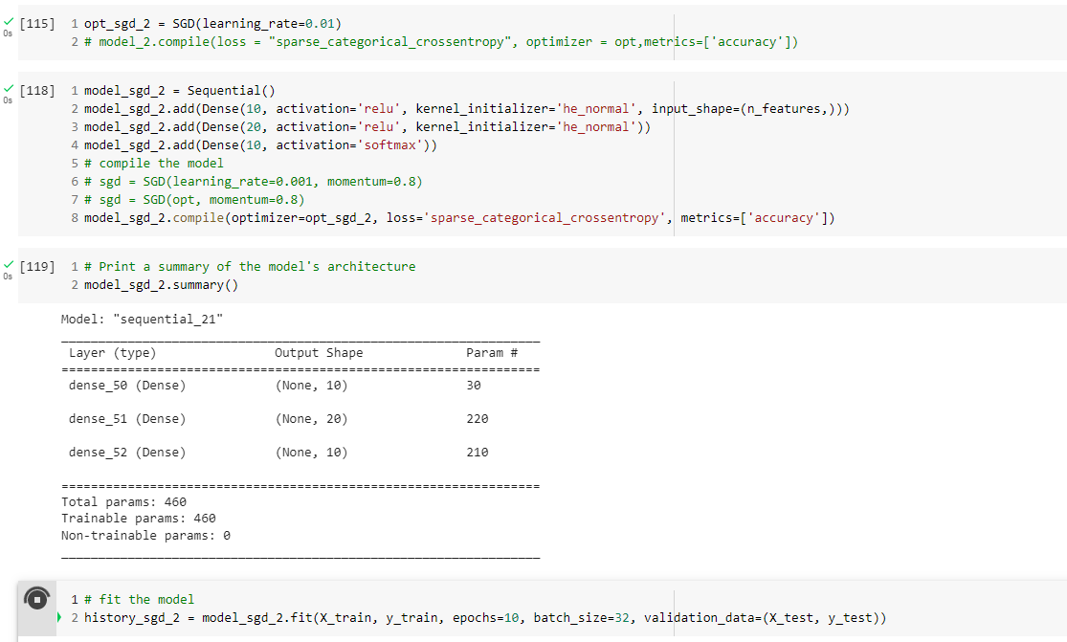
Framework: | Keras |  |  |  |  |  |  |  |  |  | model_sgd_1 parameters |  |  |  |  | mode_sgd_2 parameters
Model: | Sequential
Dataset | Storage Box
Layer |  |  | Compiler |  |  | Fit
Dense Layers | Unit | Activation | Optimiser | Loss | metrics | Epochs | batch_size | Acc | Loss | Image #
2 | 2,10 | R-S | SGD | SCC | Accuracy | 10 | 32 | 0.709 | 0.774 | 1
3 | 2,20,10 | R-R-S | SGD | SCC | Accuracy | 10 | 32 | 0.962 | 0.139 | 2
2 | 2,10 | R-S | SGD | SCC | Accuracy | 20 | 32 | 0.661 | 0.828 | 3
3 | 2,20,10 | R-R-S | SGD | SCC | Accuracy | 20 | 32 | 0.97 | 0.109 | 4
2 | 2,10 | R-S | SGD | SCC | Accuracy | 30 | 32 | 0.372 | 1.821 | 5
3 | 2,20,10 | R-R-S | SGD | SCC | Accuracy | 30 | 32 | 0.973 | 0.078 | 6
2 | 2,10 | R-S | SGD | SCC | Accuracy | 40 | 32 | 0.856 | 0.327 | 7
3 | 2,20,10 | R-R-S | SGD | SCC | Accuracy | 40 | 32 | 0.913 | 0.201 | 8
2 | 2,10 | R-S | SGD | SCC | Accuracy | 50 | 32 | 0.64 | 0.751 | 9
3 | 2,20,10 | R-R-S | SGD | SCC | Accuracy | 50 | 32 | 0.896 | 0.815 | 10
2 | 2,10 | R-S | SGD | SCC | Accuracy | 10 | 64 | 0.65 | 0.873 | 11
3 | 2,20,10 | R-R-S | SGD | SCC | Accuracy | 10 | 64 | 0.9 | 0.283 | 12
2 | 2,10 | R-S | SGD | SCC | Accuracy | 20 | 64 | 0.569 | 0.998 | 13
3 | 2,20,10 | R-R-S | SGD | SCC | Accuracy | 20 | 64 | 0.945 | 0.143 | 14
2 | 2,10 | R-S | SGD | SCC | Accuracy | 30 | 64 | 0.741 | 0.52 | 15
3 | 2,20,10 | R-R-S | SGD | SCC | Accuracy | 30 | 64 | 0.974 | 0.082 | 16
2 | 2,10 | R-S | SGD | SCC | Accuracy | 40 | 64 | 0.758 | 0.507 | 17
3 | 2,20,10 | R-R-S | SGD | SCC | Accuracy | 40 | 64 | 0.973 | 0.097 | 18
2 | 2,10 | R-S | SGD | SCC | Accuracy | 50 | 64 | 0.735 | 0.606 | 19
3 | 2,20,10 | R-R-S | SGD | SCC | Accuracy | 50 | 64 | 0.965 | 0.107 | 20
2 | 2,10 | R-S | SGD | SCC | Accuracy | 10 | 128 | 0.636 | 0.811 | 21
3 | 2,20,10 | R-R-S | SGD | SCC | Accuracy | 10 | 128 | 0.862 | 0.341 | 22
2 | 2,10 | R-S | SGD | SCC | Accuracy | 20 | 128 | 0.708 | 0.72 | 23
3 | 2,20,10 | R-R-S | SGD | SCC | Accuracy | 20 | 128 | 0.903 | 0.266 | 24
2 | 2,10 | R-S | SGD | SCC | Accuracy | 30 | 128 | 0.638 | 0.855 | 25
3 | 2,20,10 | R-R-S | SGD | SCC | Accuracy | 30 | 128 | 0.834 | 0.407 | 26
2 | 2,10 | R-S | SGD | SCC | Accuracy | 40 | 128 | 0.631 | 1.047 | 27
3 | 2,20,10 | R-R-S | SGD | SCC | Accuracy | 40 | 128 | 0.86 | 0.387 | 28
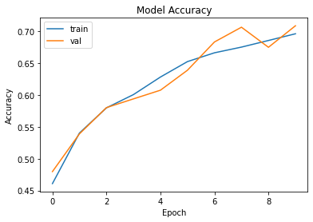
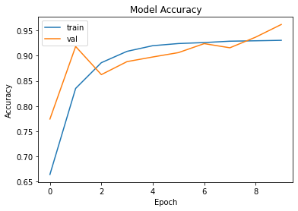
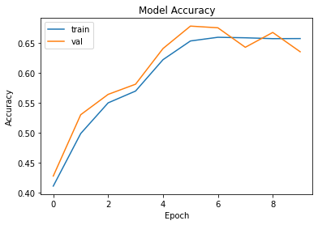
2 | 2,10 | R-S | SGD | SCC | Accuracy | 50 | 128 | 0.843 | 0.369 | 29
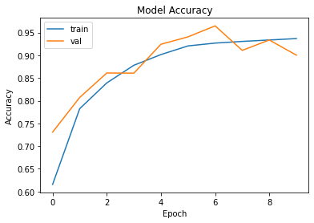
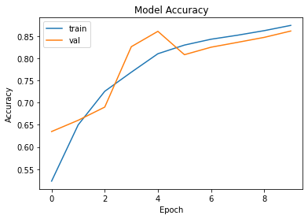
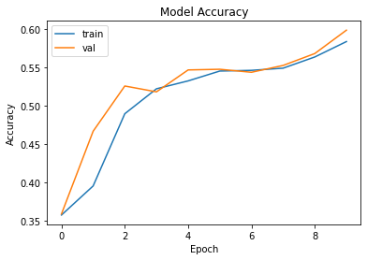
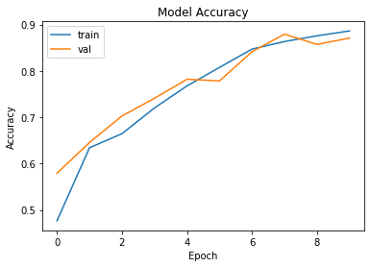
3 | 2,20,10 | R-R-S | SGD | SCC | Accuracy | 50 | 128 | 0.975 | 0.099 | 30 | #1 |  | #2 |  |  |  | #11 | #12 |  | #21 | #22 |  | #31 | #32
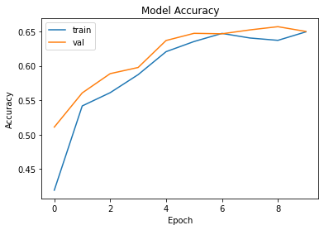
2 | 2,10 | R-S | SGD | SCC | Accuracy | 10 | 256 | 0.598 | 1.007 | 31
3 | 2,20,10 | R-R-S | SGD | SCC | Accuracy | 10 | 256 | 0.871 | 0.327 | 32
2 | 2,10 | R-S | SGD | SCC | Accuracy | 20 | 256 | 0.685 | 0.753 | 33
3 | 2,20,10 | R-R-S | SGD | SCC | Accuracy | 20 | 256 | 0.807 | 0.411 | 34
2 | 2,10 | R-S | SGD | SCC | Accuracy | 30 | 256 | 0.674 | 0.79 | 35
3 | 2,20,10 | R-R-S | SGD | SCC | Accuracy | 30 | 256 | 0.996 | 0.162 | 36
2 | 2,10 | R-S | SGD | SCC | Accuracy | 40 | 256 | 0.761 | 0.554 | 37
3 | 2,20,10 | R-R-S | SGD | SCC | Accuracy | 40 | 256 | 0.962 | 0.152 | 38
2 | 2,10 | R-S | SGD | SCC | Accuracy | 50 | 256 | 0.727 | 0.636 | 39
3 | 2,20,10 | R-R-S | SGD | SCC | Accuracy | 50 | 256 | 0.954 | 0.129 | 40

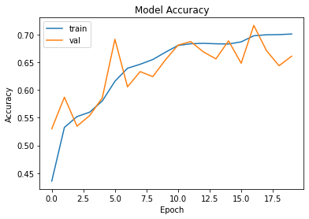
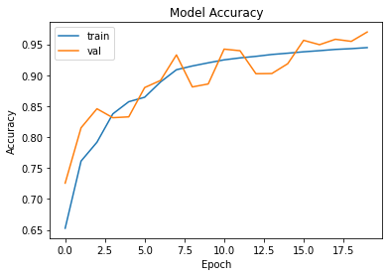
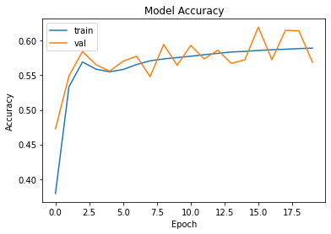
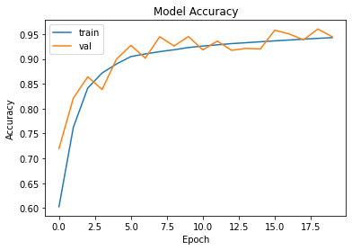
 |  |  |  |  |  |  |  |  |  |  | #3 |  |  | #4
 |  |  |  |  |  |  |  |  |  |  |  |  |  |  |  |  | #13 | #14 |  | #23 | #24
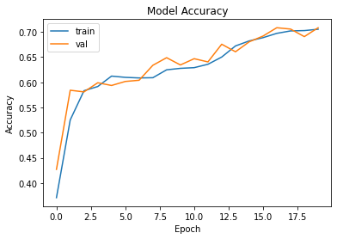
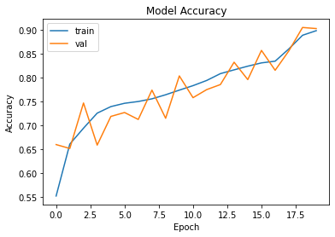
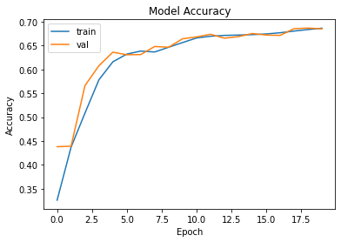
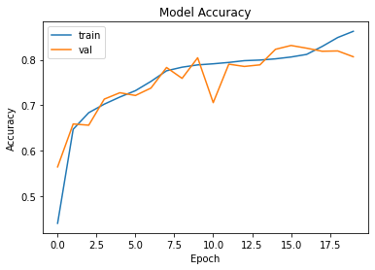
 |  |  |  |  |  |  |  |  |  |  |  |  |  |  |  |  |  |  |  |  |  |  | #33 | #34

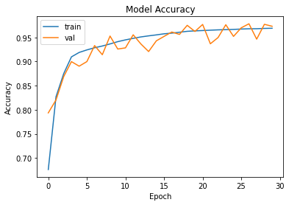
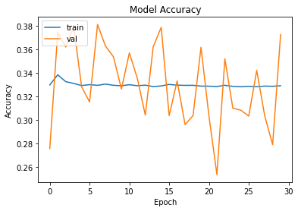
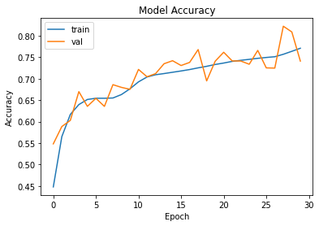
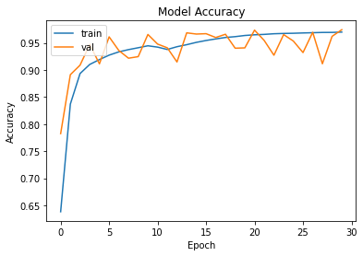
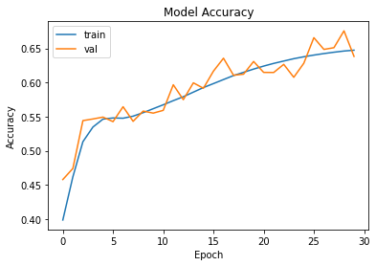
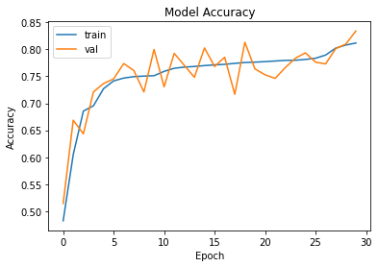
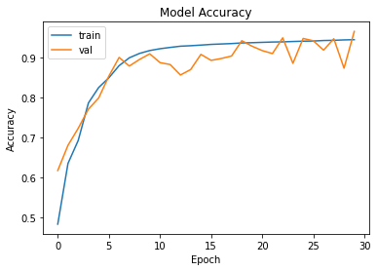
 |  |  |  |  |  |  |  |  |  |  | #5 |  |  | #6
 |  |  |  |  |  |  |  |  |  |  |  |  |  |  |  |  | #15 | #16
 |  |  |  |  |  |  |  |  |  |  |  |  |  |  |  |  |  |  |  | #25 | #26 |  | #35 | #36
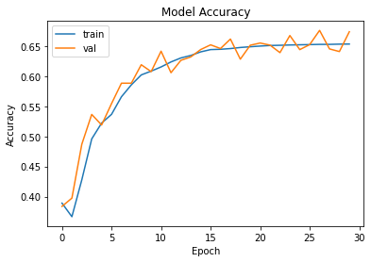

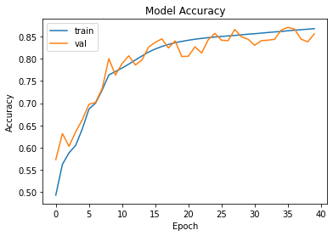
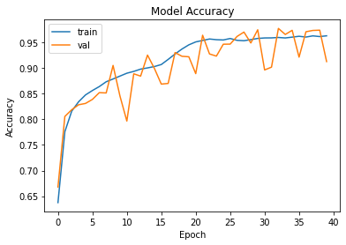
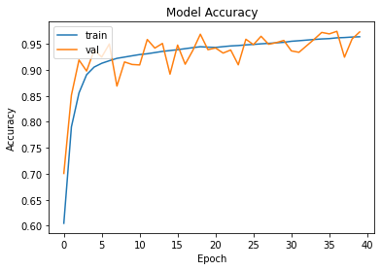
 |  |  |  |  |  |  |  |  |  |  |  | #7 |  | #8
 |  |  |  |  |  |  |  |  |  |  |  |  |  |  |  |  | #17 |  | #18
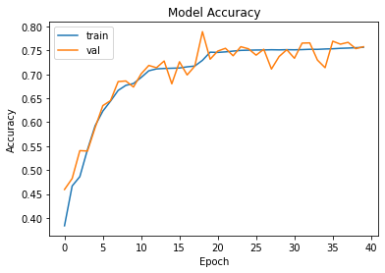
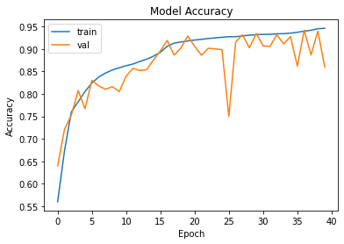
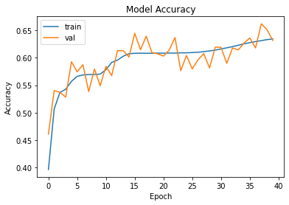
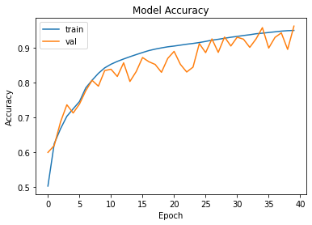
 |  |  |  |  |  |  |  |  |  |  |  |  |  |  |  |  |  |  |  | #27 |  | #28
 |  |  |  |  |  |  |  |  |  |  |  |  |  |  |  |  |  |  |  |  |  |  | #37 | #38
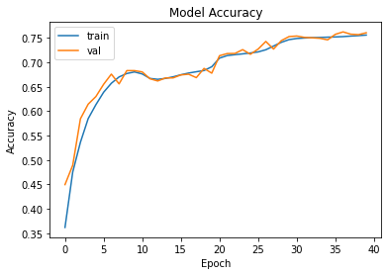

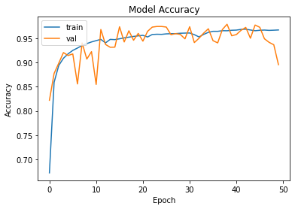
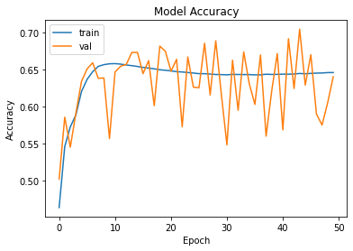
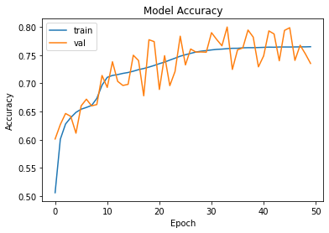
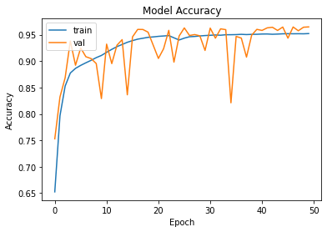
 |  |  |  |  |  |  |  |  |  |  |  | #9 |  |  | #10 |  | #19
 |  |  |  |  |  |  |  |  |  |  |  |  |  |  |  |  |  |  | #20
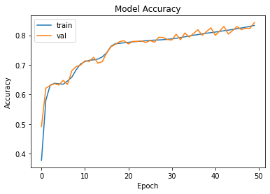
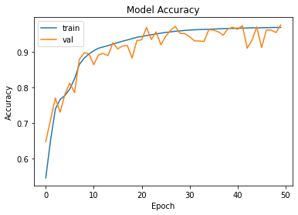
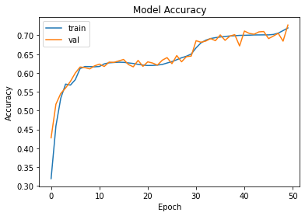
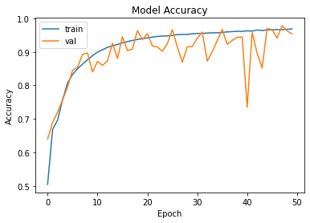
 |  |  |  |  |  |  |  |  |  |  |  |  |  |  |  |  |  |  |  | #29 |  | #30
 |  |  |  |  |  |  |  |  |  |  |  |  |  |  |  |  |  |  |  |  |  |  | #39 | #40

SGD - Exploring Learning Rate
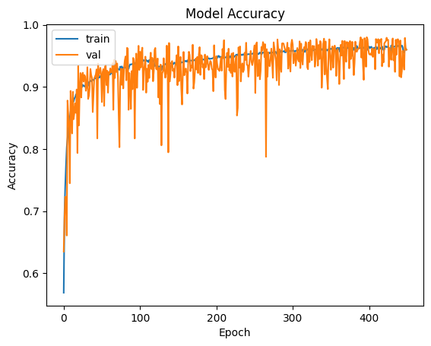
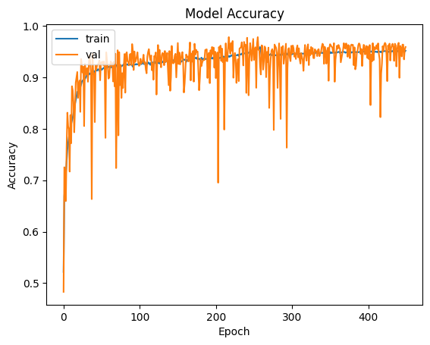
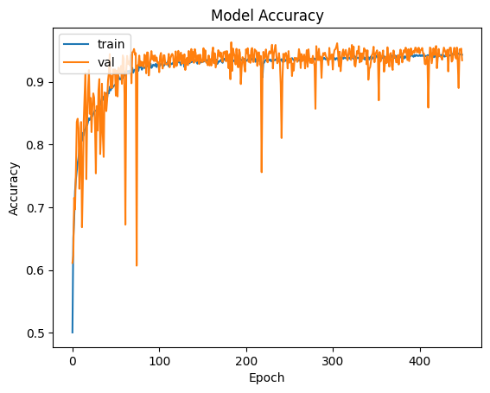
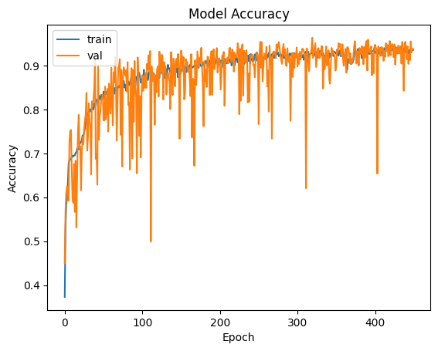
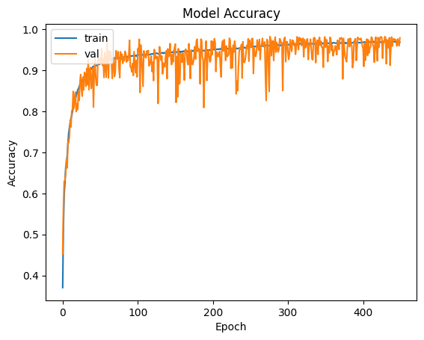
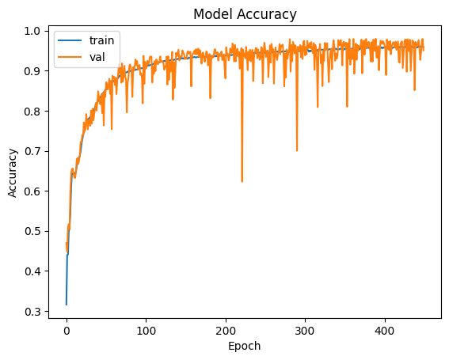
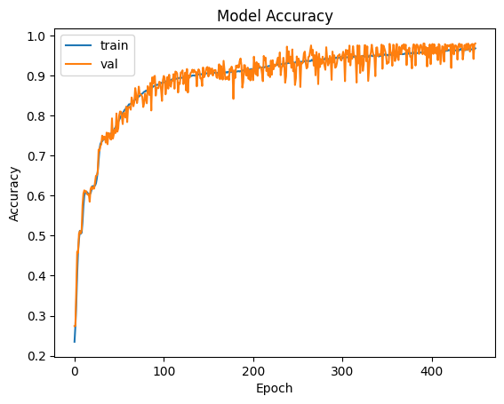
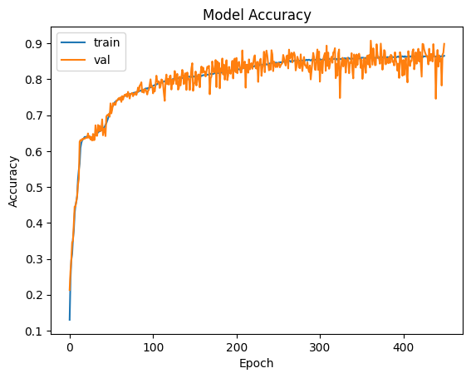



Layer |  |  | Optmiser | Compiler |  |  | Fit |  |  |  |  | A learning rate of 0.1 shows a lot of variation in the validation data
Dense Layers | Unit | Activation | Learning Rate | Optimiser | Loss | metrics | Epochs | batch_size | Acc | Loss | Image #
3 | 2,20,10 | R-R-S | 0.1 | SGD | SCC | Accuracy | 10 | 32 | 0.858 | 0.29 | 1
3 | 2,20,10 | R-R-S | 0.1 | SGD | SCC | Accuracy | 50 | 32 | 0.917 | 0.228 | 2
3 | 2,20,10 | R-R-S | 0.1 | SGD | SCC | Accuracy | 100 | 32 | 0.928 | 0.242 | 3
3 | 2,20,10 | R-R-S | 0.1 | SGD | SCC | Accuracy | 150 | 32 | 0.948 | 0.159 | 4
3 | 2,20,10 | R-R-S | 0.1 | SGD | SCC | Accuracy | 200 | 32 | 0.929 | 0.222 | 5
3 | 2,20,10 | R-R-S | 0.1 | SGD | SCC | Accuracy | 250 | 32 | 0.873 | 0.237 | 6
3 | 2,20,10 | R-R-S | 0.1 | SGD | SCC | Accuracy | 300 | 32 | 0.949 | 0.135 | 7
3 | 2,20,10 | R-R-S | 0.1 | SGD | SCC | Accuracy | 350 | 32 | 0.952 | 0.145 | 8
3 | 2,20,10 | R-R-S | 0.1 | SGD | SCC | Accuracy | 400 | 32 | 0.95 | 0.148 | 9

3 | 2,20,10 | R-R-S | 0.1 | SGD | SCC | Accuracy | 450 | 32 | 0.96 | 0.311 | 10
3 | 2,20,10 | R-R-S | 0.1 | SGD | SCC | Accuracy | 10 | 64 | 0.747 | 0.537 | 11
3 | 2,20,10 | R-R-S | 0.1 | SGD | SCC | Accuracy | 50 | 64 | 0.886 | 0.231 | 12
3 | 2,20,10 | R-R-S | 0.1 | SGD | SCC | Accuracy | 100 | 64 | 0.91 | 0.228 | 13
3 | 2,20,10 | R-R-S | 0.1 | SGD | SCC | Accuracy | 150 | 64 | 0.934 | 0.151 | 14
3 | 2,20,10 | R-R-S | 0.1 | SGD | SCC | Accuracy | 200 | 64 | 0.925 | 0.157 | 15
3 | 2,20,10 | R-R-S | 0.1 | SGD | SCC | Accuracy | 250 | 64 | 0.967 | 0.125 | 16
3 | 2,20,10 | R-R-S | 0.1 | SGD | SCC | Accuracy | 300 | 64 | 0.937 | 0.182 | 17
3 | 2,20,10 | R-R-S | 0.1 | SGD | SCC | Accuracy | 350 | 64 | 0.945 | 0.135 | 18
3 | 2,20,10 | R-R-S | 0.1 | SGD | SCC | Accuracy | 400 | 64 | 0.926 | 0.181 | 19
3 | 2,20,10 | R-R-S | 0.1 | SGD | SCC | Accuracy | 450 | 64 | 0.959 | 0.121 | 20
3 | 2,20,10 | R-R-S | 0.1 | SGD | SCC | Accuracy | 10 | 128 | 0.798 | 0.491 | 21
3 | 2,20,10 | R-R-S | 0.1 | SGD | SCC | Accuracy | 50 | 128 | 0.851 | 0.272 | 22
3 | 2,20,10 | R-R-S | 0.1 | SGD | SCC | Accuracy | 100 | 128 | 0.943 | 0.15 | 23
3 | 2,20,10 | R-R-S | 0.1 | SGD | SCC | Accuracy | 150 | 128 | 0.941 | 0.214 | 24
3 | 2,20,10 | R-R-S | 0.1 | SGD | SCC | Accuracy | 200 | 128 | 0.941 | 0.141 | 25
3 | 2,20,10 | R-R-S | 0.1 | SGD | SCC | Accuracy | 250 | 128 | 0.928 | 0.219 | 26 |  | Learning Rate of 0.1 |  |  |  |  | Learning Rate of 0.01
3 | 2,20,10 | R-R-S | 0.1 | SGD | SCC | Accuracy | 300 | 128 | 0.963 | 0.115 | 27
3 | 2,20,10 | R-R-S | 0.1 | SGD | SCC | Accuracy | 350 | 128 | 0.971 | 0.125 | 28
3 | 2,20,10 | R-R-S | 0.1 | SGD | SCC | Accuracy | 400 | 128 | 0.969 | 0.085 | 29
3 | 2,20,10 | R-R-S | 0.1 | SGD | SCC | Accuracy | 450 | 128 | 0.934 | 0.157 | 30

3 | 2,20,10 | R-R-S | 0.1 | SGD | SCC | Accuracy | 10 | 256 | 0.752 | 0.659 | 31 |  |  | #1 | #11 | #21 | #31 |  | #41 | #51 | #61 | #71







3 | 2,20,10 | R-R-S | 0.1 | SGD | SCC | Accuracy | 50 | 256 | 0.89 | 0.302 | 32
3 | 2,20,10 | R-R-S | 0.1 | SGD | SCC | Accuracy | 100 | 256 | 0.901 | 0.225 | 33
3 | 2,20,10 | R-R-S | 0.1 | SGD | SCC | Accuracy | 150 | 256 | 0.929 | 0.135 | 34
3 | 2,20,10 | R-R-S | 0.1 | SGD | SCC | Accuracy | 200 | 256 |  |  | 35
3 | 2,20,10 | R-R-S | 0.1 | SGD | SCC | Accuracy | 250 | 256 | 0.927 | 0.195 | 36
3 | 2,20,10 | R-R-S | 0.1 | SGD | SCC | Accuracy | 300 | 256 | 0.918 | 0.21 | 37
3 | 2,20,10 | R-R-S | 0.1 | SGD | SCC | Accuracy | 350 | 256 | 0.953 | 0.148 | 38
3 | 2,20,10 | R-R-S | 0.1 | SGD | SCC | Accuracy | 400 | 256 | 0.945 | 0.188 | 39
3 | 2,20,10 | R-R-S | 0.1 | SGD | SCC | Accuracy | 450 | 256 | 0.938 | 0.145 | 40
3 | 2,20,10 | R-R-S | 0.01 | SGD | SCC | Accuracy | 10 | 32 | 0.724 | 0.649 | 41
3 | 2,20,10 | R-R-S | 0.01 | SGD | SCC | Accuracy | 50 | 32 | 0.879 | 0.337 | 42
3 | 2,20,10 | R-R-S | 0.01 | SGD | SCC | Accuracy | 100 | 32 | 0.938 | 0.181 | 43
3 | 2,20,10 | R-R-S | 0.01 | SGD | SCC | Accuracy | 150 | 32 | 0.935 | 0.271 | 44
3 | 2,20,10 | R-R-S | 0.01 | SGD | SCC | Accuracy | 200 | 32 | 0.955 | 0.143 | 45
3 | 2,20,10 | R-R-S | 0.01 | SGD | SCC | Accuracy | 250 | 32 | 0.962 | 0.104 | 46
3 | 2,20,10 | R-R-S | 0.01 | SGD | SCC | Accuracy | 300 | 32 | 0.97 | 0.108 | 47
3 | 2,20,10 | R-R-S | 0.01 | SGD | SCC | Accuracy | 350 | 32 | 0.978 | 0.111 | 48
3 | 2,20,10 | R-R-S | 0.01 | SGD | SCC | Accuracy | 400 | 32 | 0.954 | 0.126 | 49
3 | 2,20,10 | R-R-S | 0.01 | SGD | SCC | Accuracy | 450 | 32 | 0.979 | 0.086 | 50
3 | 2,20,10 | R-R-S | 0.01 | SGD | SCC | Accuracy | 10 | 64 | 0.581 | 0.956 | 51
3 | 2,20,10 | R-R-S | 0.01 | SGD | SCC | Accuracy | 50 | 64 | 0.894 | 0.358 | 52
3 | 2,20,10 | R-R-S | 0.01 | SGD | SCC | Accuracy | 100 | 64 | 0.95 | 0.179 | 53
3 | 2,20,10 | R-R-S | 0.01 | SGD | SCC | Accuracy | 150 | 64 | 0.939 | 0.164 | 54
3 | 2,20,10 | R-R-S | 0.01 | SGD | SCC | Accuracy | 200 | 64 | 0.96 | 0.154 | 55
3 | 2,20,10 | R-R-S | 0.01 | SGD | SCC | Accuracy | 250 | 64 | 0.971 | 0.122 | 56 |  |  | #2 | #12 | #22 | #32 |  | #42 | #52 | #62 | #72








3 | 2,20,10 | R-R-S | 0.01 | SGD | SCC | Accuracy | 300 | 64 | 0.953 | 0.139 | 57
3 | 2,20,10 | R-R-S | 0.01 | SGD | SCC | Accuracy | 350 | 64 | 0.967 | 0.127 | 58
3 | 2,20,10 | R-R-S | 0.01 | SGD | SCC | Accuracy | 400 | 64 | 0.951 | 0.158 | 59
3 | 2,20,10 | R-R-S | 0.01 | SGD | SCC | Accuracy | 450 | 64 | 0.951 | 0.172 | 60
3 | 2,20,10 | R-R-S | 0.01 | SGD | SCC | Accuracy | 10 | 128 | 0.466 | 1.545 | 61
3 | 2,20,10 | R-R-S | 0.01 | SGD | SCC | Accuracy | 50 | 128 | 0.751 | 0.588 | 62
3 | 2,20,10 | R-R-S | 0.01 | SGD | SCC | Accuracy | 100 | 128 | 0.92 | 0.296 | 63
3 | 2,20,10 | R-R-S | 0.01 | SGD | SCC | Accuracy | 150 | 128 | 0.908 | 0.324 | 64
3 | 2,20,10 | R-R-S | 0.01 | SGD | SCC | Accuracy | 200 | 128 | 0.933 | 0.2 | 65
3 | 2,20,10 | R-R-S | 0.01 | SGD | SCC | Accuracy | 250 | 128 | 0.848 | 0.301 | 66
3 | 2,20,10 | R-R-S | 0.01 | SGD | SCC | Accuracy | 300 | 128 | 0.973 | 0.149 | 67
3 | 2,20,10 | R-R-S | 0.01 | SGD | SCC | Accuracy | 350 | 128 | 0.97 | 0.121 | 68
3 | 2,20,10 | R-R-S | 0.01 | SGD | SCC | Accuracy | 400 | 128 | 0.965 | 0.159 | 69
3 | 2,20,10 | R-R-S | 0.01 | SGD | SCC | Accuracy | 450 | 128 | 0.98 | 0.109 | 70
3 | 2,20,10 | R-R-S | 0.01 | SGD | SCC | Accuracy | 10 | 256 | 0.632 | 1.575 | 71
3 | 2,20,10 | R-R-S | 0.01 | SGD | SCC | Accuracy | 50 | 256 | 0.693 | 0.896 | 72
3 | 2,20,10 | R-R-S | 0.01 | SGD | SCC | Accuracy | 100 | 256 | 0.712 | 0.692 | 73
3 | 2,20,10 | R-R-S | 0.01 | SGD | SCC | Accuracy | 150 | 256 | 0.842 | 0.408 | 74
3 | 2,20,10 | R-R-S | 0.01 | SGD | SCC | Accuracy | 200 | 256 | 0.761 | 0.589 | 75
3 | 2,20,10 | R-R-S | 0.01 | SGD | SCC | Accuracy | 250 | 256 | 0.938 | 0.199 | 76
3 | 2,20,10 | R-R-S | 0.01 | SGD | SCC | Accuracy | 300 | 256 | 0.855 | 0.389 | 77
3 | 2,20,10 | R-R-S | 0.01 | SGD | SCC | Accuracy | 350 | 256 | 0.937 | 0.189 | 78
3 | 2,20,10 | R-R-S | 0.01 | SGD | SCC | Accuracy | 400 | 256 | 0.962 | 0.337 | 79
3 | 2,20,10 | R-R-S | 0.01 | SGD | SCC | Accuracy | 450 | 256 | 0.899 | 0.368 | 80
 |  |  |  |  |  |  |  |  |  |  |  |  |  | #3 | #13 | #23 | #33 |  | #43 | #53 | #63 | #73













 |  |  |  |  |  |  |  |  |  |  |  |  |  | #4 | #14 |  |  |  | #44 | #54
 |  |  |  |  |  |  |  |  |  |  |  |  |  |  |  | #24 | #34 |  |  |  | #64 | #74









 |  |  |  |  |  |  |  |  |  |  |  |  |  | #5 | #15 |  |  |  | #45 | #55
 |  |  |  |  |  |  |  |  |  |  |  |  |  |  |  | #25 | #35 |  |  |  | #65 | #75









 |  |  |  |  |  |  |  |  |  |  |  |  |  | #6 | #16 |  |  |  | #46 | #56
 |  |  |  |  |  |  |  |  |  |  |  |  |  |  |  | #26 | #36 |  |  |  | #66 | #76











 |  |  |  |  |  |  |  |  |  |  |  |  |  | #7 | #17 | #27 |  |  | #47 | #57 | #67
 |  |  |  |  |  |  |  |  |  |  |  |  |  |  |  |  | #37 |  |  |  |  | #77









 |  |  |  |  |  |  |  |  |  |  |  |  |  | #8 | #18 | #28 |  |  | #48 | #58 | #68
 |  |  |  |  |  |  |  |  |  |  |  |  |  |  |  |  | #38 |  |  |  |  | #78







 |  |  |  |  |  |  |  |  |  |  |  |  |  | #9 | #19 |  |  |  | #49 | #59
 |  |  |  |  |  |  |  |  |  |  |  |  |  |  |  | #29 | #39 |  |  |  | #69 | #79





 |  |  |  |  |  |  |  |  |  |  |  |  |  | #10 | #20 | #30 | #40 |  | #50 | #60 | #70 | #80

Keras Seq
Framework: | Keras
Model: | Sequential


Layer |  |  | Compiler |  |  | Fit
Dense Layers | Unit | Activation | Optimiser | Loss | metrics | Epochs | batch_size | Acc | Loss
2 | 10,10 | ReLu | rmsprop | mse | mae | 10 | 16 | 2.447 | 8.185
2 | 10,10 | ReLu | rmsprop | mse | mae | 10 | 32 | 0.45 | 0.344
2 | 10,10 | ReLu | rmsprop | mse | mae | 10 | 64 | 0.656 | 0.877
2 | 10,10 | ReLu | rmsprop | mse | mae | 10 | 64 | 0.614 | 0.854
2 | 10,10 | ReLu | rmsprop | mse | mae | 10 | 128 | 0.723 | 0.916
2 | 10,10 | ReLu | rmsprop | mse | mae | 10 | 256 | 0.454 | 0.346
2 | 10,10 | ReLu | rmsprop | mse | mae | 10 | 256 | 0.679 | 0.833
2 | 10,10 | ReLu | rmsprop | mse | mae | 10 | 256 | 0.72 | 0.869
2 | 10,10 | ReLu | rmsprop | mse | mae | 10 | 256 | 0.443 | 0.311
2 | 10,10 | ReLu | rmsprop | mse | mae | 10 | 512 | 2.464 | 8.202
2 | 10,10 | ReLu | rmsprop | mse | mae | 10 | 512 | 2.465 | 8.187
2 | 10,10 | ReLu | rmsprop | mse | mae | 10 | 1024 | 2.462 | 8.193
2 | 10,10 | ReLu | rmsprop | mse | mae | 10 | 4096 | 2.46 | 8190
2 | 10,10 | ReLu | rmsprop | mse | mae | 20 | 16 | 0.216 | 0.082
2 | 10,10 | ReLu | rmsprop | mse | mae | 20 | 32 | 0.699 | 0.905
2 | 10,10 | ReLu | rmsprop | mse | mae | 20 | 64 | 0.249 | 0.12
2 | 10,10 | ReLu | rmsprop | mse | mae | 20 | 128 | 0.713 | 0.909
2 | 10,10 | ReLu | rmsprop | mse | mae | 20 | 256 | 0.718 | 0.911
2 | 10,10 | ReLu | rmsprop | mse | mae | 20 | 512 | 0.712 | 0.907
2 | 10,10 | ReLu | rmsprop | mse | mae | 20 | 1024 | 0.681 | 0.829
2 | 10,10 | ReLu | rmsprop | mse | mae | 20 | 2048 | 0.735 | 0.928

